Sheet1
 |  | GOAL SEEK 目標搜尋 |  |  |  |  | 資料à模擬分析à目標搜尋

1 | y = x^2 - 4x + 3 |  | x | y |  | 4 | C = 5/9(F-32) | F | C
 |  |  | 10 | 63 |  |  | Find F, if C=37. | 50 | 10
 | Question: What value of x will make y 0?
 | 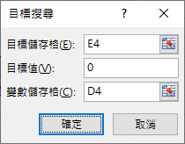

2 | Find the root of the equation: correct to 2 decimal places |  |  |  |  | 5 | Area = 22/7 (R^2) | R | Area
 | x^3+x+1=0 |  | x | y |  |  | Find R, if A=20. | 7 | 154
 |  |  | 1 | 3

3 | Find wt, if ht=1.7 and BMI<=25.
 | BMI = wt / (ht^2) |  | wt | ht | BMI
 |  |  | 60 | 1.7 | 20.76

